VE&WF TINT
Basis 1 | Basis 2 | Basis Size | Molecule | dx Value | Scipy || MPMath | Using *2Pi for HOW | Integrand Graph | Derivative
0 | 0 | 2 | COX | Default | Scipy | TRUE |  | n=1
0 | 1 | 2 | COX | Default | Scipy | TRUE | 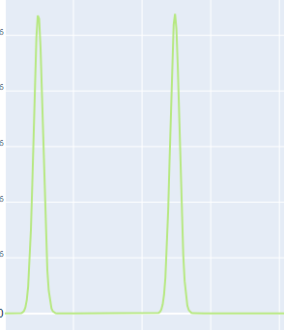 | n=1
0 | 0 | 3 | COX | Default | Scipy | TRUE | 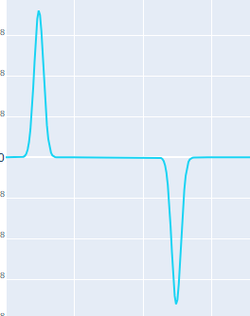 | n=1
0 | 1 | 3 | COX | Default | Scipy | TRUE | 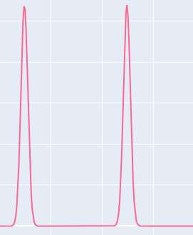 | n=1
0 | 0 | 2 | COX | Default | Scipy | FALSE |  | n=1
0 | 1 | 2 | COX | Default | Scipy | FALSE | 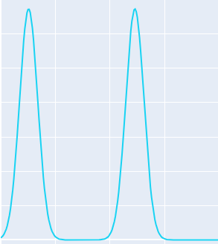 | n=1

